Sheet1
ARGENTINA: Liga Profesional | Union de Santa Fe | Argentinos Jrs | 23:45 | 11 |  | 2 | 3 |  | 2 | 2 | 1 | 2 | 1 | 2

ARGENTINA: Liga Profesional | Union de Santa Fe | Argentinos Jrs | 23:45 | D | D |  | D | L |  | 10 | 2 | 3 | 2 | 2 | 1 | 2 | 1 | 2
 |  |  |  |  |  |  |  |  |  | Minimum of the both
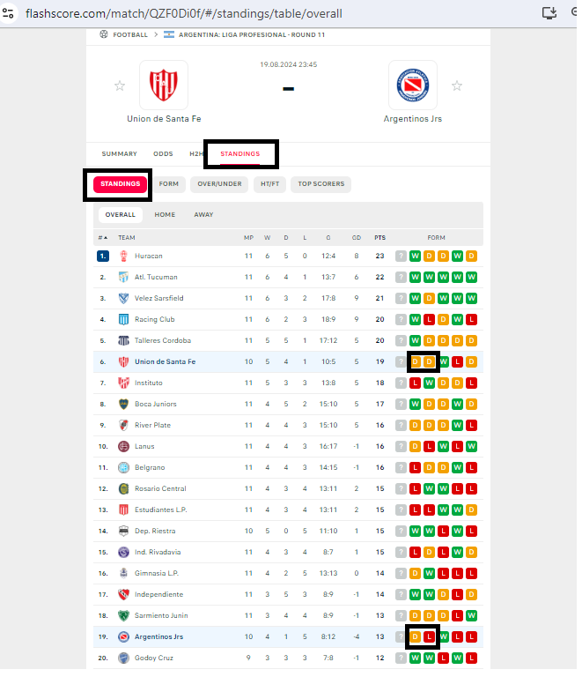

 |  |  |  |  |  |  |  |  |  |  |  | For M, scrap the minimum of the both. And keep of course privous rule which consisted in to drop all games with G<5

